Q1
(based on 7-14 in Render and Stair).
An electronic goods company manufactures two electrical products - aircons and fans.
The assembly process for each is similar in that both require a certain amount of wiring and drilling, as summarised below.

Aircons: 3 hours of wiring and 2 hours of drilling.
Fans: 2 hours of wiring and 1 hour of drilling.

Wiring hours available: |  |  | 240
Drilling hours available: |  |  | 140

Aircons yield a profit of R25 per unit; Fans yield a profit of R15 per unit.

Q1: formulate the LP problem.
Q2: graphically visualize the LP problem.
 | - clearly indicate all constraints, the feasible region, and the optimal solution.
Q3: confirm the optimal solution found in Q2 by solving the LP using Solver in Excel.
Q4: how much slack or surplus is there for each of the constraints at the optimal solution?
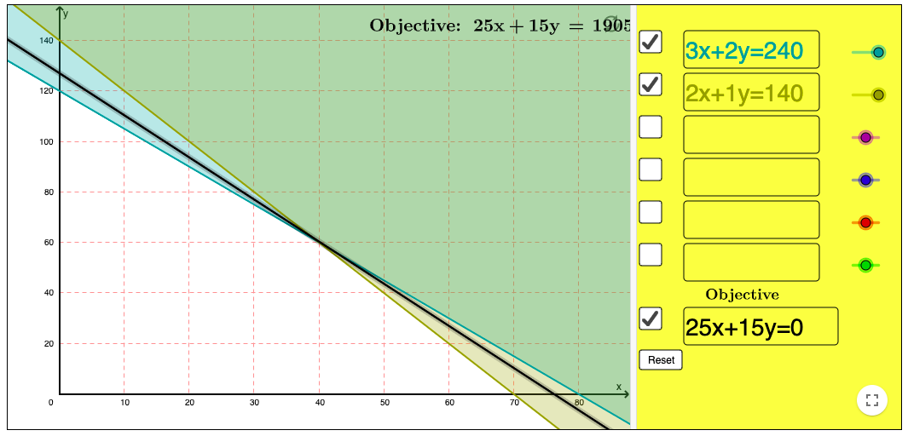
Let A = amount of aircons
Let F = amount of fans

 | x | y
Decision Variables | A | F | max(z)
Obj Func Coeffs | 25 | 15 | 1900
Number of | 40 | 60

constraints | A | F |  |  | RHS | Slack
wiring | 3 | 2 | 240 | <= | 240 | 0
drilling | 2 | 1 | 140 | <= | 140 | 0

Q2
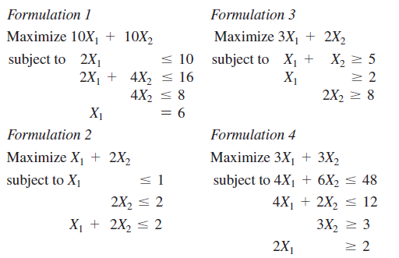
(7-27 in Render and Stair)

Consider the following four LP formulations. Using a graphical approach, determine:
a) which formulation has more than one optimal solution
b) which formulation is unbounded
c) which formulation has no feasible region
d) which formulation is correct as is

Q3
Question
Waxy Chests, a surfboard manufacturer, can produce four different models ("shapes"), the Fish, the Thruster, The Quad and The Noserider. There are four stages in the production process – shaping, glassing, sanding and polishing – and each model requires a specific number of hours to complete each stage. The manufacturer is restricted in terms of the total resource time (hours) available for each of the stages. The manufacturer has also estimated the maximum demand for each of the four models, based on previous sales and market research.
The manufacturer has formulated this production mix problem, to identify how many boards of each model to produce, while maximizing profit. They have asked you to help them make sense of the results of the Answer and Sensitivity Reports that was obtained from Solver (shown below the answer textbox).
Answer each of the following questions, taking all the available information into account, and clearly motivating your answers. Show any calculations that you might use to answer the questions.
a) What is the current profit per Noserider, and over what range of values can this vary before the optimal solution will change?
b) How many boards of each model should they produce, and what is the profit at this level of production?
c) If they can improve the demand for one of the models by one unit through marketing efforts, on which board should they focus? State any assumptions that you made to answer this question.
d) Some funding has been obtained and they would like to use this to improve resource capacity for one of the production stages by one unit. In which one of the four stages should they invest? State any assumptions that made to answer this question.
Vraag
Waxy Chests, 'n branderplankvervaardiger, kan vier verskillende branderplankmodelle ("shapes") vervaardig: die Fish, die Thruster, die Quad en die Noserider. Daar is vier fases in die produksieproses - "shaping", "glassing", "sanding" en "polishing" - en elke model benodig 'n spesifieke aantal ure om elke fase te voltooi. Die vervaardiger is beperk in terme van die totale hulpbrontyd (ure) beskikbaar vir elk van die fases. Die vervaardiger het ook die maksimum vraag na elk van die vier modelle beraam, gebaseer op vorige verkope en marknavorsing.
Die vervaardiger het hierdie produksiemengselprobleem geformuleer om te identifiseer hoeveel borde van elke model geproduseer moet word om wins te maksimeer. Hulle het u gevra om hulle te help om die resultate van die Answer en Sensitivity Reports wat deur middel van Solver verkry is, te verstaan ​​(sien onder die teksboks vir antwoorde).
Beantwoord elk van die volgende vrae; neem al die beskikbare inligting in ag en motiveer u antwoorde duidelik. Toon enige berekeninge wat u dalk van gebruik maak om die vrae te beantwoord.
a) Wat is die huidige wins per Noserider, en oor watter reeks waardes kan dit wissel voordat die optimale oplossing sal verander?
b) Hoeveel borde van elke model moet hulle produseer, en wat is die wins teen hierdie produksievlak?
c) Op watter model moet hulle fokus as hulle die vraag na een van die modelle met een eenheid kan verbeter deur bemarkingspogings? Meld enige aannames wat u gemaak het om die vraag te beantwoord.
d) Befondsing is verkry en hulle wil dit gebruik om die hulpbronkapasiteit van een van die produksiefases met een eenheid te verbeter. In watter een van die vier fases moet hulle belê? Meld enige aannames wat u gemaak het om die vraag te beantwoord.

Result: Solver found a solution. All Constraints and optimality conditions are satisfied.
Microsoft Excel 16.0 Answer Report |  |  |  |  |  | Microsoft Excel 16.0 Sensitivity Report

Variable Cells |  |  |  |  |  | Variable Cells |  | Final | Reduced | Objective | Allowable | Allowable
 | Name | Original Value | Final Value | Integer |  |  | Name | Value | Cost | Coefficient | Increase | Decrease
 | solution Fish | 25 | 25 | Contin |  |  | solution Fish | 25 | 0 | 2000 | 1E+30 | 1,012.00
 | solution Thruster | 17.5 | 17.5 | Contin |  |  | solution Thruster | 17.5 | 0 | 2200 | 300 | 1,366.67
 | solution Quad | 25 | 25 | Contin |  |  | solution Quad | 25 | 0 | 2000 | 1E+30 | 60.00
 | solution Noserider | 15 | 15 | Contin |  |  | solution Noserider | 15 | 0 | 2500 | 100 | 1,400.00

Constraints |  |  |  |  |  | Constraints |  | Final | Shadow | Constraint | Allowable | Allowable
 | Name | Cell Value | Status | Slack |  |  | Name | Value | Price | R.H. Side | Increase | Decrease
 | max Fish LHS | 25 | Binding | 0 |  |  | max Fish LHS | 25 | 1012 | 25 | 32.407407407 | 5.56
 | max Thruster LHS | 17.5 | Not Binding | 22.5 |  |  | max Thruster LHS | 17.5 | 0 | 40 | 1E+30 | 22.50
 | max Quad LHS | 25 | Binding | 0 |  |  | max Quad LHS | 25 | 60 | 25 | 14.583333333 | 8.33
 | max Noserider LHS | 15 | Not Binding | 5 |  |  | max Noserider LHS | 15 | 0 | 20 | 1E+30 | 5.00
 | Shaping LHS | 91.25 | Not Binding | 8.75 |  |  | Shaping LHS | 91.25 | 0 | 100 | 1E+30 | 8.75
 | Glassing LHS | 120 | Binding | 0 |  |  | Glassing LHS | 120 | 560 | 120 | 12.5 | 37.50
 | Sanding LHS | 130 | Not Binding | 10 |  |  | Sanding LHS | 130 | 0 | 140 | 1E+30 | 10.00
 | Polishing LHS | 50 | Binding | 0 |  |  | Polishing LHS | 50 | 1640 | 50 | 2.5 | 12.50

A.) | Current profit |  | Total Amounts it can change by |  | Per Board it can change by
 | 2500 |  | Lowest Amount | Highest Amount | lowest amount | Highest amount
 | Total Profit for all |  | 16,500.00 | 37600 | 1,100.00 | 2600
 | 37500

B.) | obj func: 25(fish)+17.5(thruster)+25(quad)+15(noserider) |  |  | Profit
 |  |  |  | 176000

C.) | The compnay should try to improve the demand for either the Fish board or the Quad board, this is because both of these have 0 slack, which means that this is a binding constraint. Therefore obtaining more demand by one unit will usually result in higher profits. A increase of 1012 in the objective function will be observed if a one unit increase in demand for the fish board was to happen. An increase of 60 in the objective function will be observed if one unit increase in demand for the quad board was to happen. Therefore the company should choose to try to improve the demand for the fish board, this way the company will gain the most amount of profit.

D.) | The company should improve either glassing or polishing, this is because both these constraints have 0 slack. Which make them a binding constraint. By obtaining one additonal unit for either glassing or polishing, will result in higher profits. If the company choose to improve sanding or shaping the aditional unit will only result in higher slack. A increase of 560 in the objective function will be observed if a one unit increase in glassing was to happen. An increase of 1640 in the objective function will be observed if one unit increase in polishing was to happen. Therefore the company should choose to improve polishing, this way the company will receive more profits.

